Sheet1
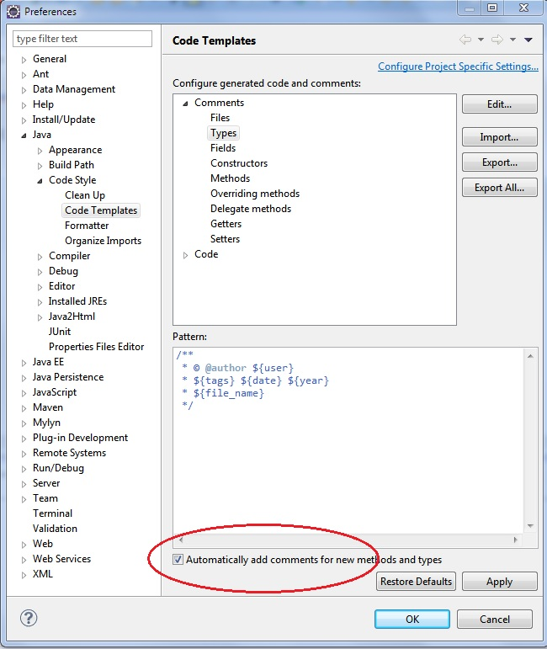
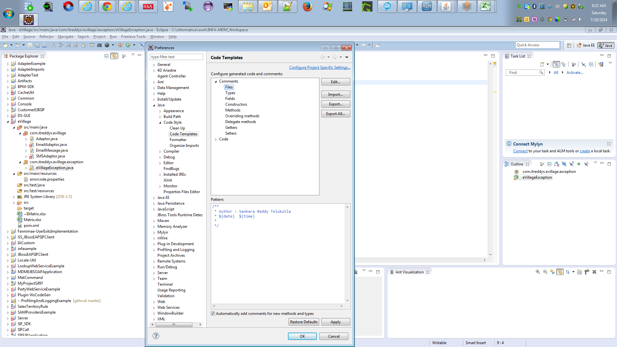
Java Version | Java SE 1.7

Accounts creation
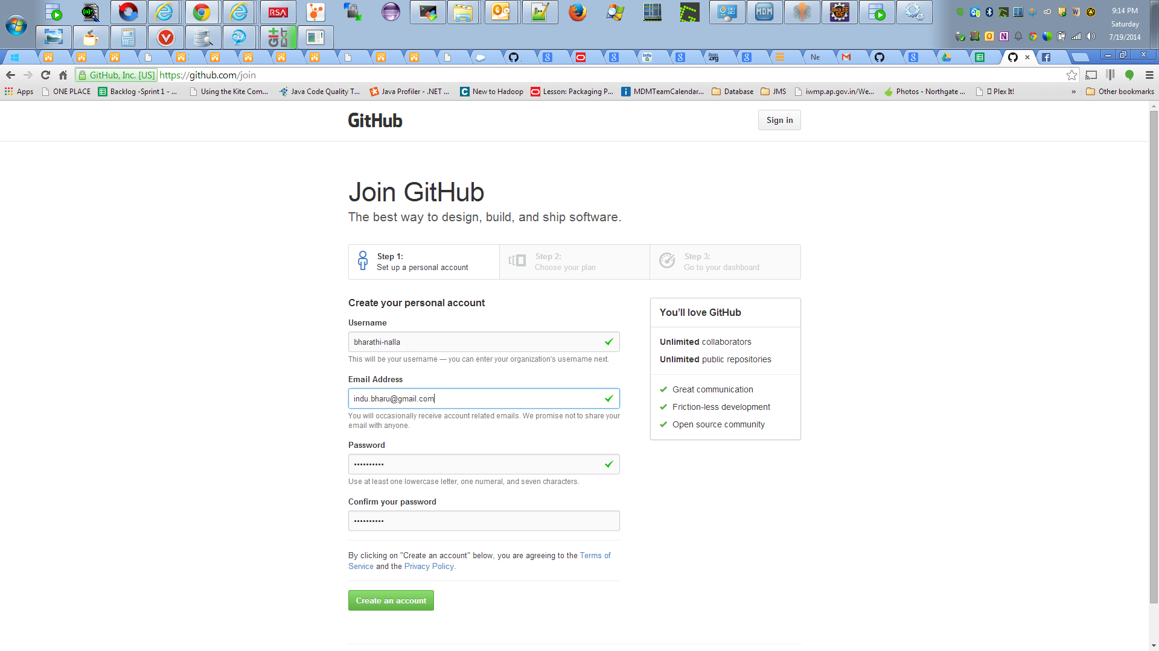
C:\informatica\Customer\Customer Screenshots\Customer BCBS Screenshot 2014-07-19 21_14_56.png

